ReadMe-Orientation
Fertilizer tools (recommendation & costs)

Description of recommendation tool |  |  | Description of FertCosts
This is a compact and user-friendly implementation of the 56 page Bulletin 974 Tri-State Fertilizer Recommendations:
https://ag.purdue.edu/agry/soilfertility/Documents/Tri-State%20Fertilizer%20Recommendations.pdf
This tool may be freely used, refined, updated as long as credit to the source is given. It is protected to prevent inadvertent changes, but the protection is without password so that those inclined and suitably knowledgeable may customize the tool. For those that want to edit, note there are two hidden sheets working in the background.
Brief instructions:
We hope this tool is simple enough to avoid the need for a user manual. Also see credits in A2.
Inputs are required and each item must be correct for each management zone. Most items use data validation to be sure inputs are valid.
Updating prices in "fertilizer table" on the FertCosts sheet can help you with row 18 (price of N fertilizer) of "recommendation tool", but the connection is not automatic.
Some inputs are dependent upon others. For example, soil test phosphorus input depends upon the units of your soil test phosphorus, so if you change units, change the value. Likewise, crop yield goal limitations vary among crops. THEREFORE, YOU MUST make all changes in a top-to-bottom sequence to be sure you have good units & values match.
This tool may be freely used, refined, updated as long as credit to the source is given.
It is protected to prevent inadvertent changes, but the protection is without password so that those inclined and suitably knowledgeable may customize the tool. For those that want to edit, note there are two hidden sheets working in the background.
Refer to soil test recommendations to determine target nutrient delivery. This tool does not automatically optimize, but can be useful to assist with calculations regarding nutrient applications and cost with assorted fertilizer combinations.
For those who might use the Purdue Crop Planner (https://ag.purdue.edu/digital-ag-resources/purdue-crop-planning-tool/), the results of this cost analysis can assist with good values for the FERTILIZER LIST table in the Inputs sheet.
All cells other than inputs (light green) and prices (light blue) are protected so you can't accidently "mess it up", but you can unprotect without password to tailor this if you have the knowledge and interest.


Authors | Dennis Buckmaster, Professor & Dean's Fellow for Digital Agriculture; James Camberato, Professor
Affiliation | Purdue University, Department of Agricultural & Biological Engineering; Agronomy
Date | October, 2021
URL to acquire | https://engineering.purdue.edu/~dbuckmas/outreach/Fertilizer_tools.xlsx
Brief tutorial | https://engineering.purdue.edu/~dbuckmas/outreach/Fertlizer_tools_tutorial.mp4
Related tools:
 | Purdue Crop Planner | https://ag.purdue.edu/digital-ag-resources/purdue-crop-planning-tool/
 | CONTxT | https://ag.purdue.edu/digital-ag-resources/contxt-application/

recommendation tool
Tri-State Fertilizer Recommendations - Purdue University (State of IN) Edition
CREDITS and NOTES
INPUTS |  | TRUE |  | link to brief tutorial video
cr | crop | corn
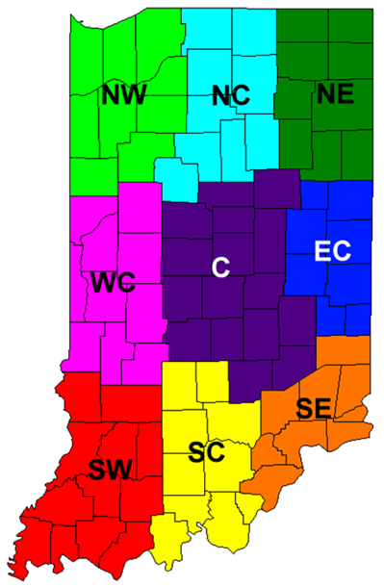
Brief instructions:
We hope this tool is simple enough to avoid the need for a user manual. Also see credits in A2.
Inputs are required and each item must be correct for each management zone. Most items use data validation to be sure inputs are valid.
Updating prices in "fertilizer table" on the FertCosts sheet can help you with row 18 (price of N fertilizer) of "recommendation tool", but the connection is not automatic.
Some inputs are dependent upon others. For example, soil test phosphorus input depends upon the units of your soil test phosphorus, so if you change units, change the value. Likewise, crop yield goal limitations vary among crops. THEREFORE, YOU MUST make all changes in a top-to-bottom sequence to be sure you have good units & values match.
yg | yield goal | 180 | bu/ac
st | soil type | mineral
stt | soil test type | Mehlich-3
stu | soil test units | ppm
phb | buffer pH from soil test | 7
ph | pH from soil test | 6.5
pht | pH target for your soil | 6.3
stp | soil test phosphorus | 15 | ppm
stk | soil test potassium | 90 | ppm
cec | cation exchange capacity | 12
reg | region of Indiana | WC | see map >>>
pc | previous crop | corn
bi | buildup intentions | 4 | years
PN | price of N fertilizer | 0.5 | $/lb N
Vc | value of the crop | 4.5 | $/bu
OPTIONAL INPUTS
llk | lower limit of K maintenance range | 120 | ppm
llp | lower limit of P maintenance range | 20 | ppm

CONVERSIONS & OTHER INTERMEDIATE CALCULATIONS
MPp | Mehlich P in ppm units | 15 | ppm | =@stp*IF(@stt="Mehlich-3",IF(@stu="ppm",1,2),IF(@stu="ppm",1/1.35,2/1.35))
MKp | Mehlich K in ppm units | 90 | ppm | =@stk*IF(@stt="Mehlich-3",IF(@stu="ppm",1,2),IF(@stu="ppm",1/1.14,2/1.14))
Npr | N:Corn price ratio | 0.11 | ($/lb N)/($/bu) | =@PN/@Vc
cb | corn parameter b of yield function | 0.751 | bu/lb | =VLOOKUP(@reg,INregions,3,FALSE)
cc | corn parameter c of yield function | -0.00178 | (bu/lb)2 | =VLOOKUP(@reg,INregions,4,FALSE)

OUTPUTS
P | P2O5 to apply | 88 | lb P2O5/ac | =@yg*VLOOKUP(@cr,crops,4,FALSE) + ((MAX(20,llp)-@MPp)*20/@bi)
K | K20 to apply | 104 | lb K2O/ac | =@yg*VLOOKUP(@cr,crops,5,FALSE) + 20 + ((MAX(0,@llk-@MKp)*(1+0.05*MIN(cec,20))))*4/@bi
l | lime to apply | 0.0 | tons/ac | =MAX(0, IF(st="mineral", (-73.96+10.3*phb-3.02*phb*pht+21.39*pht), (37.6-7.1*ph + (pht-MIN(5.3,ph))*5) ) )
N | Nitrogen to apply | 225 | lb N/ac | =(@cb-@Npr)/(-2*@cc) + IF(@pc="soybeans",0, IF(@pc="alfalfa",0,45))

